Week 1 - Investment Appraisal
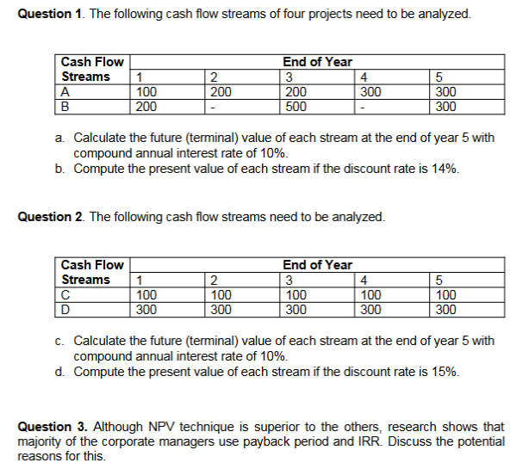
 |  | Question 1)
 |  | Part A)

 |  | Project A:
 |  | = 100 * (1.1)^4 + 200 * (1.1)^3
 |  | + 200 * (1.1)^2 + 300 * (1.1)^1 + 300 * (1.1)^0
 |  | =146.41 + 266.20 + 242 + 330 + 300
 |  | 1284.61

 |  | Project B:
 |  | = 200 * (1.1)^4 + 500 * (1.1)^2 + 300 * (1.1)^0
 |  | = 292.82 + 605 + 300
 |  | 1197.82

 |  | Hint: You can use future value tables in replacement of
 |  | the (1.1)^x to obtain identical values.

 |  | Part B)

Question 2) |  | Project A:
In this question, it is easier to find the solution using present/future value |  | = 100/(1.14) + 200/(1.14)^2 + 200/(1.14)^3 + 300/(1.14)^4
of annuity tables because these cash flow streams are annuities. |  | + 300/(1.14)^5
 |  | = 87.72 + 153.89 + 135 + 177.62 + 155.81
Part A) | Part B) | 710.04
Project C: | Project C:
= 100 * (FVIFA 15%, 5) | = 100 * (PVIFA 15%, 5) | Project B:
= 100 * 6.7424 | = 100 * 3.3522 | = 200/(1.14)^1 + 500/(1.14)^3 + 300/(1.14)^5
674.24 | 335.22 | = 175.44 + 337.49 + 155.81
 |  | 668.74
Project D: | Project D:
= 300 * (FVIFA 15%, 5) | = 300 * (PVIFA 15%, 5) | Hint: You can use future value tables in replacement of
= 300 * 6.7424 | = 300 * 3.3522 | the (1.1)^x to obtain identical values.
2022.72 | 1005.66

Question 3)
What are the potential problems in using IRR? What are the |  |  | What are the potential problems in using Payback Period? What are the possible
advantages over NPV? |  |  | advantages?

In essence, NPV and IRR are similar in several aspects (and will lead to the same |  |  | One of the biggest problems of using Payback Period is that it does not take time value
accept/reject decision if the same hurdle rate is used), the critical difference is that IRR |  |  | of money into account. In addition, it ignores the cash flows beyond the cut-off date and
is a ratio and while NPV is a dollar measure of value added. In other words, IRR fails to |  |  | cut-offs are usually arbitrary.
measure in terms of absolute amounts of wealth changes. This may also create some |  |  | On the other hand, the simplicity of the method, combined in some cases with top
problems in ranking the projects if the projects are mutually exclusive. In addition, non- |  |  | management’s lack of familiarity with more sophisticated techniques, undoubtedly plays
conventional cash flows may cause problems while using IRR (there may be multiple |  |  | some role in the popularity of the payback criterion. But it’s also important to recognize
IRRs for the same project.) |  |  | that the payback approach may provide useful information, especially for severely
On the other hand, it is easier to communicate a percentage return than NPV to other |  |  | capital-constrained firms. If an investment project does not pay positive cash flows early
managers and employees, who may not be familiar with the details of project appraisal |  |  | on, the company may go out of business before the expected future cash flows
techniques. The appeal of quick recognition and conveyance of understanding should |  |  | materialize. And even if the firm survives, it may not have the resources to pursue
not be underestimated. |  |  | other promising investments during the next few years.

Week 2 - Appraisal and Taxation
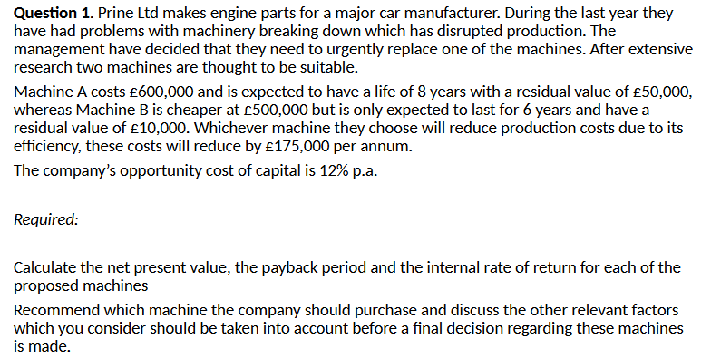
 |  |  |  |  |  |  |  | Machine A - Payback Period:

 |  |  |  |  |  |  |  | Year 0 | -600,000 | -600,000
 |  |  |  |  |  |  |  | Year 1 | 175,000 | -425,000
 |  |  |  |  |  |  |  | Year 2 | 175,000 | -250,000
 |  |  |  |  |  |  |  | Year 3 | 175,000 | -75,000
 |  |  |  |  |  |  |  | Year 4 | 175,000 | 100,000

 |  |  |  |  |  |  |  | Payback period should be between Year 3 and Year 4.
 |  |  |  |  |  |  |  | Payback period = 3 + (75,000/175,000) = 3.43 Years

 |  |  |  |  |  |  |  | Machine B - Payback Period:

 |  |  |  |  |  |  |  | Year 0 | -500,000 | -500000
Machine A - IRR: |  |  |  | Machine B - IRR: |  |  |  | Year 1 | 175,000 | -325,000
 |  |  |  |  |  |  |  | Year 2 | 175,000 | -150,000
Period | Cash Flow | D.F. (12%) | DCF | Period | Cash Flow | D.F. (12%) | DCF | Year 3 | 175,000 | 25,000
Year 0 | -600,000 | 1 | -600000 | Year 0 | -500,000 | 1 | -500000
Years 1-7 | 175,000 | 3.161 | 553175 | Years 1-5 | 175,000 | 2.436 | 426300 | Payback period should be between Year 2 and Year 3
Year 8 | 225,000 | 0.168 | 37800 | Year 6 | 185,000 | 0.207 | 38295 | Payback Period = 2 + (150,000/175,000) = 2.86 Years
 |  | NPV = | -9025 |  |  | NPV = | -35405

 |  |  |  |  |  |  |  | Machine A - NPV: |  |  |  | Machine B - NPV:

 |  |  |  |  |  |  |  | Period | Cash Flow | D.F. (12%) | DCF | Period | Cash Flow | D.F. (12%) | DCF
 |  |  |  |  |  |  |  | Year 0 | -600000 | 1 | -600,000 | Year 0 | -500,000 | 1 | -500000
 |  |  |  |  |  |  |  | Year 1 | 175000 | 0.895 | 156625 | Year 1 | 175,000 | 0.895 | 156625
 |  |  |  |  |  |  |  | Year 2 | 175000 | 0.797 | 139475 | Year 2 | 175,000 | 0.797 | 139475
Part B) |  |  |  |  |  |  |  | Year 3 | 175000 | 0.712 | 124600 | Year 3 | 175,000 | 0.712 | 124600
 |  |  |  |  |  |  |  | Year 4 | 175000 | 0.636 | 111300 | Year 4 | 175,000 | 0.636 | 111300
Recommend which machine the company should purchase and discuss the other |  |  |  |  |  |  |  | Year 5 | 175000 | 0.567 | 99225 | Year 5 | 175,000 | 0.567 | 99225
relevant factors which you consider should be taken into account before a final decision |  |  |  |  |  |  |  | Year 6 | 175000 | 0.507 | 88725 | Year 6 | 185,000 | 0.507 | 93795
regarding these machienes are made. |  |  |  |  |  |  |  | Year 7 | 175000 | 0.452 | 79100 |  |  | NPV = | 225020
 |  |  |  |  |  |  |  | Year 8 | 225000 | 0.404 | 90900
 | PBP | NPV | IRR |  |  |  |  |  |  | NPV = | 289,950
Machine A | 3.42 Years | £289,600 | 24.61%
Machine B | 2.86 Years | £224,670 | 27.55%

Based on the financial calculations, both machines are a good investment with positive net
present values. On financial facts alone, the company should choose Machine A as it has the
highest NPV and will therefore maximise shareholder wealth.

However, there are other issues that the company should consider
before making a final decision.
• The accuracy of the forecast.
• The physical requirements of the new machine.
• Staff training requirements for the new machine.
• The relative reliability of and the technical backup provision for each machine.
• Any environmental impacts.
• The length of the two projects is different so the company may wish to take this
into account when making the decision

Week 3 - Appraisal and Rations
Question 1)

First, calculate the annual operating cash flows: |  |  |  | Next, Calculate the tax payments for each year:

Annual Operating Cash Flow |  |  |  | Tax
Sales |  | 120,000 |  |  | Year 1 | Year 2 | Year 3 | Year 4
Labour |  | -30,000 |  | Cash Flow | 55,000 | 55,000 | 55,000 | 55,000
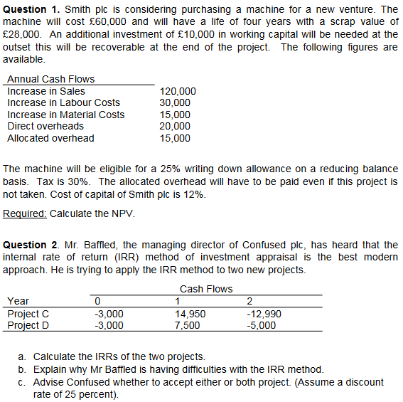
Materials |  | -15,000 |  | Capital | -15,000 | -11250 | -8437.5 | 2,688
Direct O/H |  | -20,000 |  | Allowance Taxable Income
 |  | 55,000 |  |  | 40,000 | 43,750 | 46,563 | 57,688

Note: Allocated Overhead would occur even if the project |  |  |  | Tax @ 30% | 12000 | 13125 | 13968.75 | 17306.25
doesn't take off, therefore making it not being relevant.

Then, calculate the capital allowances for each year. Although |  |  |  | Finally, calculate the Net Present Value (NPV)
capital allowances are non-cash expenses, they affect the
amount of tax payments. |  |  |  | Net Present Value (NPV)
 |  |  |  | Year | 0 | 1 | 2 | 3 | 4
 |  | Capital Allowances |  | Cost of Machine | -60,000 |  |  |  | 28,000
Cost |  | 60,000 |  | Working Capital | -10,000 |  |  |  | 10,000
Year 1 Allowance |  | 15,000 | 60,000 x 25% | Cash Flow |  | 55,000 | 55,000 | 55,000 | 55,000
Tax WDV |  | 45,000 |  | Tax |  | -12,000 | -13125 | -13968.75 | -17306.25
 |  |  |  | Net Cash Flow | -70,000 | 43,000 | 41,875 | 41,031 | 75,694
Year 2 Allowance |  | 11250 | 45,000 x 25% | Discount Factor | 1 | 0.893 | 0.797 | 0.712 | 0.636
Tax WDV |  | 33,750 |  | PV of NCF | -70000 | 38399 | 33374.375 | 29214.25 | 48141.225

Year 3 Allowance |  | 8437.5 | 33,750 x 25% | NPV | 79128.85
Tax WDV |  | 25,313
 |  |  |  | As it is discussed before, to calculate the tax payment, we need to consider the capital
Year 4 Scrap Value |  | 28,000 | Profit = Scrap - Tax | allowances which were tax deductible. In other words, capital allowances reduce the tax
Balance |  | 2,688 |  | liability. Instead of calculating the taxable income and then taxes which we did
 |  |  |  | previously, we can also calculate the tax savings associated with capital allowances in a
 |  |  |  | more direct way.

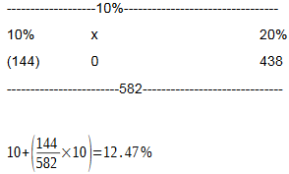
Question 2) |  |  |  | Now, lets calculate the IRR of
 |  |  |  | this project:
Project C - There are two changes in the cash flows, thus
we should expect to find two different IRRs. Lets calculate the
NPV of the projects with different discount rates.

NPV |  |  | If the cost of capital is 25%,
10% | -144 |  | then the project should be
20% | 438 |  | accepted.
25% | 646 | Accept the project. |  | You wouldn't normally interpolate across such a large range but for the
30% | 813.6 |  |  | purposes of this question, it isn't an issue.
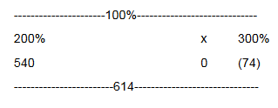
60% | 1270 |  |  |  |  |  |  |  | 200+(540/614 * 100)
150% | 902 |  |  |  |  |  |  |  | = 288%
200% | 520
300% | -74

Project D - There are two changes in the cash flows, thus we would
expect to find two different IRRs. Let's calculate the NPV of the projects |  |  |  |  |  |  |  |  | So, if the cost of capital is between
with different discount rates. |  |  |  |  |  |  |  |  | 12.47% and 288%, then this project
 |  |  |  |  |  |  |  |  | is acceptable.
NPV
10% | -314
20% | -222
25% | -200 | Reject the project.
30% | -189
40% | -193

There is no IRR for this project, the size of the negative cash flows
mean that the project will not have a positive NPV at any discount
rate.

Week 4 - Investment Risk
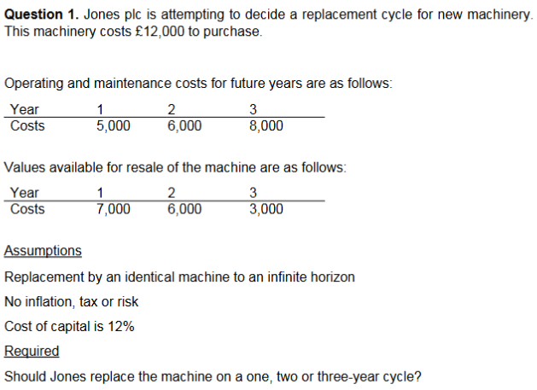
 | Question 1)

 | Replacement on a One-Year Cycle |  |  |  |  | According to the NPVs, replacement on a one-year
 |  |  |  |  |  | cycle seems better options because of the highest
 | Year |  | 0 | 1 |  | NPV. However, it is not correct to compare the NPV's of
 | Cost |  | -12,000 |  |  | these project because of the different life cycles. We need
 | Maintenance |  |  | -5,000 |  | to calculate a standardised value - Annual Equivalent Annuity
 | Resale |  |  | 7,000 |  | (AEA) to make the comparison.
 | Cash Flow |  | -12,000 | 2,000
 |  |  |  |  |  | AEA Calculations:
 | NPV(1) = -12,000 + 2,000*0.893 = -10,214
 |  |  |  |  |  | Replace on a One-Year: |  | (10,214)/0.893 = (11.438)
 |  |  |  |  |  | Replace on a Two-Year: |  | (16,465)/1.69 = (9,473)
 | Replacement on a Two-Year Cycle |  |  |  |  | Replace on a Three-Year: |  | (24,807)/2.402 = (10,328)

 | Year |  | 0 | 1 | 2 |  | Recommended Decision: Replace
 | Cost |  | -12,000 |  |  |  | on a two-year cycle.
 | Maintenance |  |  | -5,000 | -6,000
 | Resale |  |  |  | 6,000
 | Cash Flow |  | -12,000 | -5,000 | 0

 | NPV(2) = -12,000 + 5,000*0.893 = -16,465

 | Replacement on a Three-Year Cycle

 | Year |  | 0 | 1 | 2 | 3
 | Cost |  | -12,000
 | Maintenance |  |  | -5,000 | -6,000 | -8,000
 | Resale |  |  |  |  | 3,000
 | Cash Flow |  | -12,000 | -5,000 | -6,000 | -5,000

 | NPV(3) = 12,000 - (5,000 * 0.893) - (6,000 * 0.797) - (5,000 * 0.712) = -24,807

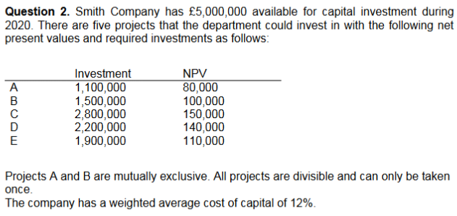
 | Part A.

 | If the projects are divisible, we should use the rankings based on the
 | Profitability Index (PI) to maximise the total NPV of project combinations.

 | Project | Investment | NPV | PV of F.C.F | PI |  | Rank
 | A | 1,100,000 | 80,000 | 1,180,000 | 1.0727272727 |  | 1
 | B | 1,500,000 | 100,000 | 1,600,000 | 1.0666666667 |  | N/A
 | C | 2,800,000 | 150,000 | 2,950,000 | 1.0535714286 |  | 4
 | D | 2,200,000 | 140,000 | 2,340,000 | 1.0636363636 |  | 2
 | E | 1,900,000 | 110,000 | 2,010,000 | 1.0578947368 |  | 3

 | Project | Investment | NPV |  | We can partially invest in Project E. After
 | A | 1,100,000 | 80,000 |  | investing in A and D, we have 1,700,000 remaining
 | D | 2,200,000 | 140,000 |  | to invest in other projects. So, we can invest in only
Part B. | E | 1,700,000 | 98,417 | -> | 89.47% (1,700,000/1,900,000) of Project E.
 | Total | 5,000,000 | 318,417 |  | Therefore the NPV of this partial investment is 98,417
Yes. If the projects are non-divisible, then we need to look at all possible combinations |  |  |  |  | (110,000*89,47)
of the projects which maximize the total NPV. In this case, combination of Project C and
D is the best combination which provides 290,000 total NPV. If there are small number
of project, it is quite easy to do some calculations for all combinations. However, if there
are more investment opportunities (for example 15 projects), then it may not be possible
to find the best combination by hand. We need to use optimization software to do this
calculation.

Week 5 - Issuing Shares
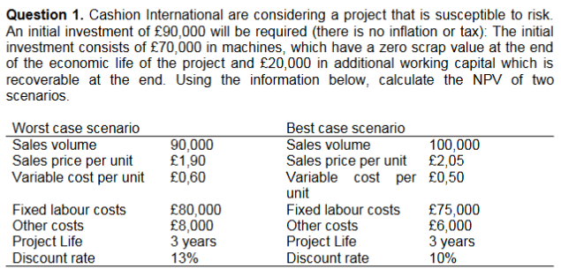
Question 1)

Worst-Case Scenario (Discount Rate: 13%) |  |  |  |  | Best-Case Scenario (Discount Rate: 10%)

 | Year 0 | Year 1 | Year 2 | Year 3 |  | Year 0 | Year 1 | Year 2 | Year 3
Investment | -70,000 |  |  |  | Investment | -70,000
Working Capital | -20,000 |  |  | 20,000 | Working Capital | -20,000 |  |  | 20,000
Sales |  | 171,000 | 171,000 | 171,000 | Sales |  | 205,000 | 205,000 | 205,000
Variable Costs |  | -54,000 | -54,000 | -54,000 | Variable Costs |  | -50,000 | -50,000 | -50,000
Fixed Labour |  | -80,000 | -80,000 | -80,000 | Fixed Labour |  | -75,000 | -75,000 | -75,000
Other Costs |  | -8,000 | -8,000 | -8,000 | Other Costs |  | -6,000 | -6,000 | -6,000
Cash Flow | -90,000 | 29,000 | 29,000 | 49,000 | Cash Flow | -90,000 | 74,000 | 74,000 | 94,000
Discount Factor | 1.000 | 0.893 | 0.783 | 0.693 | Discount Factor | 1.000 | 0.909 | 0.826 | 0.751
PV of Cash Flow | -90000 | 25897 | 22707 | 33957 | PV of Cash Flow | -90000 | 67266 | 61124 | 70594
NPV | -7439 |  |  |  | NPV | 108984

The NPVs are xpected to be between -7,439 and 108,984 based on the
level of the economy.
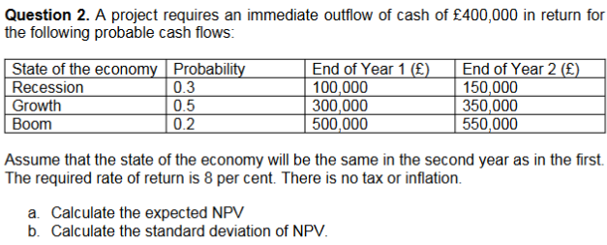

Question 2)

Part A. |  |  | Part B.

Recession: |  |  | Standard Deviation:
400 + (100/1.08) + (150/1.08^2) |  |  | Basically fill out the formula given.
= -178
 |  |  | Standard Deviation = £249,000
Growth:
400 + (300/1.08) + (350/1.08^2)
= 177

Boom:
400 + (500/1.08) + (550/1.08^2)
= 534

Expected NPV:
(178 * 0.3) + (177 * 0.5) + (534 * 0.2)
= 141.9
£141,900

Week 6 - Efficiency and B.F.
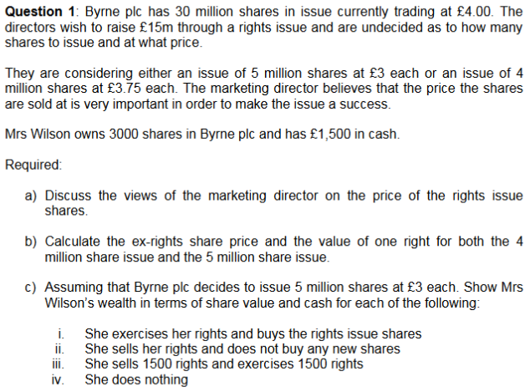
 |  |  | Question 1)

 |  |  | Part A. | Part B.

 |  |  | When a price is decided on for a rights issue there are three important factors to be | 5 Million Issue:
 |  |  | considered. Firstly, the rights issue price will be at a discount to the current market | Ex-Rights Price = (30*4 + 5*3)
 |  |  | price, this is clearly because investors will not pay a higher price for a rights issue share | = £3.86
 |  |  | than the share currently costs in the market. Secondly the rights issue price needs to
 |  |  | be at a big enough discount to ensure that all rights are taken up i.e. all shares are sold. | Value of one right:
 |  |  |  | 30m/5m = 6 old shares for every 1 new share
 |  |  | A company does not want to only sell say half of the shares in the issue as this means it
 |  |  | will not raise the required funds. Even if the issue is underwritten, as many are, the | Value of one:
 |  |  | company would rather that the issue was a success and the underwriters were not used | (3.86 - 3) / 6
 |  |  | this is because it will receive less money from the underwriters. | =14.33p | or | 14p

 |  |  | There is some dispute as to whether the price has to be low for rights to be taken up | 4 Million Issue:
 |  |  | and this is because there is an implication that shareholders will buy shares because | Ex-Rights Price = (30 * 4 + 4 * 3.75)
 |  |  | they are cheap (they think they are getting a bargain) whereas in fact the bigger | = £3.97
 |  |  | reduction in price the bigger the fall in the share price when it goes ex-rights. This
 |  |  | means that the wealth of the shareholders is unaffected (all other things being equal) | Value of one right:
Part C. |  |  | and therefore the shareholders have not got a bargain. | 30m/4m = 7.5 old shares for every new share

i. Exercises Rights |  |  | Thirdly the price needs to be low enough to ensure that the current share price remains | Value of one:
 |  |  | above the rights issue price. This is clearly an important point as if the current share | (3.97-3.75)/7.5
New shares 3,000/6 = 500 |  |  | price falls below the rights issue price no one will want to buy the rights issue shares | = 2.933p | or | 3p
 |  |  | and the issue will be a disaster unless it is underwritten.
Shares (3,500 @ 3.86) | £13,510
Cash (£1500 - (500 * 3)) | £0 |  | So the price that a rights issue is set at is important to ensure success of the issue
Total | £13,510

ii. Sells Rights

Shares (3,000 @ £3.86) | £11,580
Cash (£1500 + (3,000 * £0.14)) | £1,920
Total | £13,500

iii. Exercises and Sells 1,500

New shares (1,500/6) = 250

Shares (2,350 @ £3.86) |  | £12,545
Cash (1500 - (250*£3) + (1,500*£0.14) |  | £960
Total |  | £13,505

iv. Does Nothing

Shares 3,000 @ £3.86 |  | £11,580
Cash |  | £1,500
Total |  | £13,080

Week 7 - Valuation
Question 1)

Expected rates of return differ because of differential risk premiums
across all securities.

Question 2)

a. It implies that future events can be forecast with perfect accuracy.
b. It implies that prices reflect all avaliable information.
c. It implies that security prices change for no discernible reason.
d. It implies that prices do not fluctuate.

Question 3)
There are various suggestions regarding this:

Bad News Theory | Greater Fool Theory (speculative bubble)
If bad news is announced just before a crash this could explain the fall in | This theory suggests that the market was not efficient before the crash and
price. In which case the market could have been efficient based on available | probably isn’t after. A speculative bubble occurs when confidence is high and
information before the crash and still be efficient based on the new | the price keeps rising, people buy shares that they often know* are over-
information after the crash. | priced because they believe that there is someone who is a greater fool than
Research on most crashes shows that although there is often bad news it is | them who will buy them for an even higher price, hence making them a nice
not usually enough to account for the size of the crash. | profit. The market crashes when the world runs out of fools meaning that no
 | one is willing to buy shares but everyone who holds them wants to sell. Basic
The EMH requires people to behave in a rational manner and to price shares | economics would tell us that if there is over supply and no demand the price
based on available information not on speculation | will fall.
 | * It is suggested that there are naïve investors who follow the herd and may
 | not realise that the shares are over-priced. Also if people do know then they

Question 4) | are not acting rationally and it is therefore no surprise that the market wasn’t
a. The behavioural finance principle of biased | efficient
expectations/overconfidence is most consistent with the investor’s first
statement. Petrie stock provides a level of confidence and comfort for
the investor because of the circumstances in which she acquired the
stock and her recent history with the returns and income from the
stock. However, the investor exhibits overconfidence in the stock given
the needs of her portfolio (she is retired) and the brevity of the recent
performance history.

b. The behavioral finance principle of mental accounting is most
consistent with the investor’s second statement. The investor has
segregated the monies distributed from her portfolio into two
“accounts”: the returns her portfolio receives on the Petrie stock and
the returns on the rest of her portfolio. She is maintaining a separate
set of mental accounts with regard to the total funds distributed. The
investor’s specific uses should be viewed in the overall context of her
spending needs and she should consider the risk and return profile of
the entire portfolio.

Past Exam Paper I
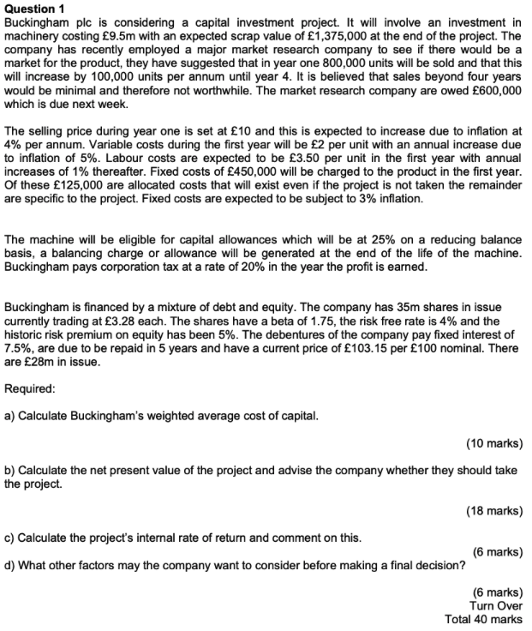

 |  |  |  |  | a) Calculate Buckingham's weighted average
 |  |  |  |  | cost of capital.

 |  |  |  |  | Step 1: Calculate the cost of requity using the CAPM model

 |  |  |  |  | Given:
 |  |  |  |  | - Risk-free Rate is equal to 4% | [Week 15 on Brightspace]
 |  |  |  |  | - Market Risk Premium is equal to 5% | [Yet to be taught]
 |  |  |  |  | - Beta is equal to 1.75

 |  |  |  |  | The formula for CAPM is:
 |  |  |  |  | CAPM = R_f + Beta * (Market Risk Premium)

 |  |  |  |  | CAPM = 0.04 + 1.75 * 0.05
 |  |  |  |  | CAPM = 0.04 + 0.0875
 |  |  |  |  | = 0.1275 or 12.75%

 |  |  |  |  | Step 2: Calculate the cost of debt

 |  |  |  |  | Given:
 |  |  |  |  | - Nominal value for debentures is £28m
 |  |  |  |  | - Current market price per £100 nominal is £103.15
 |  |  |  |  | - Coupon Rate is 7.5%
 |  |  |  |  | - Time to mature is 5 years

b) Calculate the Net Present Value of the project and advise the company whether |  |  |  |  | c) Calculate the project's internal rate of return and comment
they should take the project. |  |  |  |  | on this.

 | Year 1 | Year 2 | Year 3 | Year 4
Units | 800000 | 900000 | 1000000 | 1100000
Sales | £8,000,000 | 9360000 | 10816000 | 12373240
Labour Cost | 2800000 | 3181500 | 3570350 | 3966825.5
V.C. | 1600000 | 1890000 | 2200000 | 2530000
F.C. | 325000 | 334750 | 344792.5 | 355136.275

 | Year 1 | Year 2 | Year 3 | Year 4
Cash Flow | £3,275,000 | £3,953,750 | £4,700,858 | £5,521,278
Cap. Allownce | 2375000 | 1781250 | 1335937.5 | £2,382,272.68
Taxable | £900,000 | £2,172,500 | £3,364,920 | £3,139,006
Tax | £180,000.0 | £434,500.0 | £672,984.0 | £627,801.1

 | Year 1 | Year 2 | Year 3 | Year 4
Cash Flow | £3,095,000 | £3,519,250 | £4,027,874 | £4,893,477
Scrap |  |  |  | £1,375,000.00 | DF Formula is:
NCF | £3,095,000 | £3,519,250 | £4,027,874 | £6,268,477 | 1 / (1 + n)^t
DF 11% | 0.9009009009 | 0.81162243324 | 0.7311913813 | 0.65873097415
PV | £2,788,288.29 | £2,856,302.25 | £2,945,146.39 | £4,129,240.04 | Where: n is equal to the discount rate
 |  |  |  |  | t is equal to the amount of years in question
Total PV | £12,718,976.96
Cost | £9,500,000
NPV | £3,218,976.96

Week 15 - CAPM
Question 1:

The information for the two stocks is given below. The T-bill
rate (risk-free rate) is 5% and the expected market return is 12%.

 | Stock A | Stock B | Stock C
Forecasted Return | 15% | 14% | 11%
Beta | 1.6 | 1.2 | 1

a. What would the fair return for each stock be, according to the
capital asset pricing model (CAPM)?

b. According to the forecasted returns, are the stocks underpriced,
overpriced, or properly priced?

Capital asset pricing formula is Ri=rf + β (rm−rf)

In the above equation, Ri is the required rate of return of the
stock, rf, is the risk-free rate, β is the beta of the stock and
rm is the return of the market.

RA = 0.05+1.6 ( 0.12−0.05 ) = 0.162
RB = 0.05+1.2 ( 0.12−0.05 ) = 0.134
RC = 0.05+1 ( 0.12−0.05 ) = 0.12

Forecasted return of Stock A is lower than its required return. Therefore, Stock A is
SS

Forecasted return of Stock B is higher than its required return. Therefore, Stock B is
undervalued.

Forecasted return of Stock C is lower than its required return. Therefore, Stock C is
overvalued.
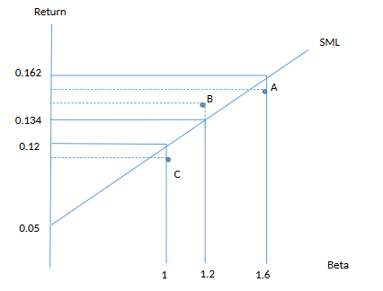

Stocks lies above the Security Market Line (SML) are undervalued. (Stock B)

Stocks lies below the Security Market Line (SML) are overvalued. (Stocks A and C)

Stocks lies on the Security Market Line (SML) are properly priced.

